Sheet1
HISTORIC CLAYTON WATERLINE PROJECT
OVERALL BUDGET 11/3/23 |  | DETAILED CONSTRUCTION ESTIMATE 10/31/23

SOURCES | AMOUNT

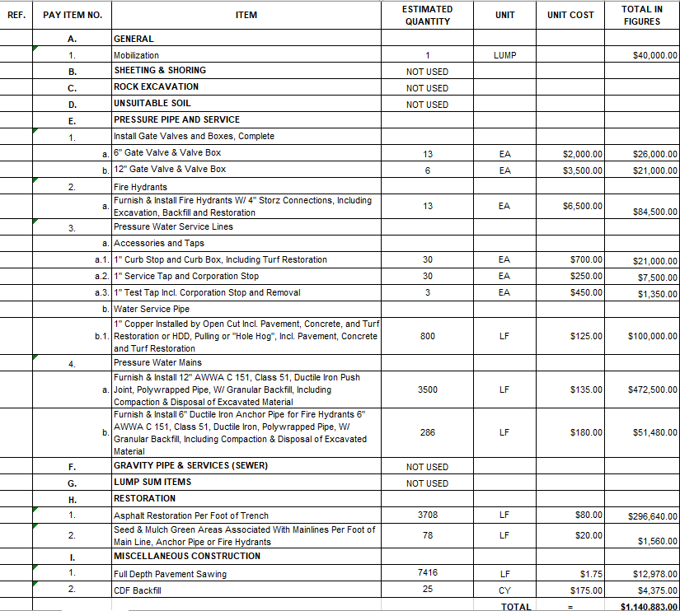
Clayton JEDD | $500,000

City of Clayton | $500,000

PDAC Request | $1,000,000

TOTAL | $2,000,000

USES

Engineering & Permitting | $200,000

12" Waterline Construction | $1,150,000

Project Management | $70,000

Legal & Accounting | $15,000

Contingency (Including SR 49 Waterline Contribution) | $565,000

TOTAL | $2,000,000

